Sheet6
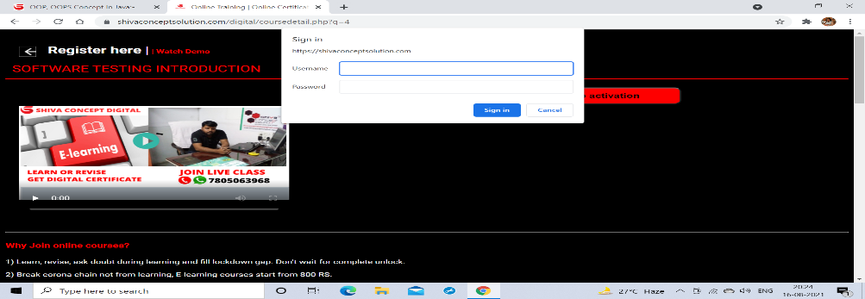
lD number | BUG106
Name | manual testing course -pop up
Reporter | shivani
Submit Date | 2021-08-17
Summary
URL | https://shivaconceptsolution.com/digital/coursedetail.php?q=4 -> https://shivaconceptsolution.com/digital/coursedetail.php?q=4
Platform | windows
Operating System | 10
Browser | chrome
Step to reproduce
Severity | medium
Assigned to | shiva sir
Priority | medium

